Sheet1
 15/3 Old Palasia, Behind Sarda House, Indore 452 001, INDIA +91-731-4044117 / 4046693 www.MangoITSolutions.com
Form – B
 |  |  |  |  | Date: 23/04/2024

Ref No. …………………………..

To,
The Additional Director,
Software Technology Parks Of India,
MPSEDC STP Building, Electronic Complex, Pardeshipura, Indore (MP) 452010

Ref: Certification of Softex Forms and Invoices for the period/month March'2024 of FY 2023-24
Non-STP Registration No:STPIN/NAPP/20171220/930032dt. 27/12/2017

Sir,

Please find attached duly filled in Softex Forms and Export Invoices for your kind consideration and certification. Details are as below.
S.No. | Softex No. | Contract / Agreement / PO Reg.No. | No.of Invoices | Country of Export | Amount in Foreign Currency | Amount in INR
1 | S24006464214 | 20210515211746 | SimplyVision GmBH | CH | 6012.50 | 540704
2 | S24006464215 | 20220201281442 | Sessions Cannabis Franchises Inc. | CA | 200.00 | 16576
3 | S24006464216 | 20200703140963 | Eye Plastics LLC | US | 750.00 | 62160
4 | S24006464217 | 20220331295998 | Pronko Consulting Limited | IE | 1460.00 | 131298
5 | S24006464218 | 20210515211746 | SimplyVision GmBH | CH | 6150.00 | 554976
6 | S24006464219 | 20240301465955 | Mohamad Jaafar | AU | 1125.00 | 93263
7 | S24006464220 | 20240301465955 | Mohamad Jaafar | AU | 1465.00 | 121449
8 | S24006464221 | STPIN/NAPP/20171220/930032/Contract/001 | UPWORK ESCROW INC. | US | 38976.00 | 3248650
Total (N) |  |  |  |  |  | 4769075

Details of Service Charge paid and Export Turnover:
Projected Export Turnover declared to STPI for FY 2023-24 |  |  |  | Rs. 900 Lac
Slab to which the of Export Turnover falls to (O) |  |  |  | Above Rs.3Crore - 10Crores
Service Charge paid for the FY 2023-24 |  |  |  | Rs. 1.30 Lac
Amount of Exports Certified/Submitted to STPI w.r.t. FY 2023-24 (P) |  |  |  | Rs. 539.99 Lac
Amount of Exports to be certified in this submission (Q=N) |  |  |  | Rs. 47.69 Lac
Total Export (R=P+Q) (Note: R< O) |  |  |  | Rs. 587.68 Lac

In Case of any further clarification you may contact the below :
Name and Designation |  | Ms. Tinkesh Thakur
Email Address |  | accounts@mangoitsolutions.com
Contact No. |  | Phone with STD code: 0731-4046693 |  | Cell: 7067893389

We declare that the Softex Forms, Invoices and supporting documents are complete in all respect as per the checklist.

Please acknowledge and return the Softex Forms after due certification.

Thanking you,

Yours faithfully,

(Authorized Signatory) Company Seal

Sheet3
Certificate by Datacom Service Provider

It is certified that Mango IT Solutons located at 15/3, Old Palasia, Behind sarda House, AB Road Indore (M.P) 452001 has been given below link by Auspice Infratel Pvt. Ltd. The link is being used by them for data-transmission.

Details of the link given below:

Circuit ID | Location | Date of Commissioning | Bandwidth | Type of Data Link
 | Indore | 2017-10-01 | 10 Mbps | ILL(1:1)

This certificate is issued for the period from 01'April'2024 to 31'March'2024 or till the date of the link termination whichever is earlier.

It is the customer responsibility to intimate the concern authority if above link is disconnected or any changes in network diagram provide to Auspice Infratel Pvt. Ltd. At the time of service implementation.

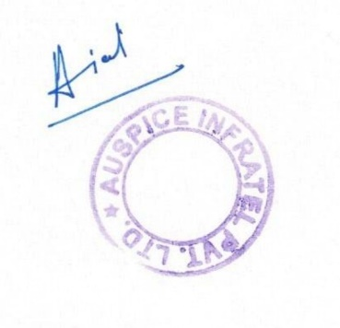
Seal and Signature of Service Provider
Place: Indore
Date: 15-05-2024

